Budget and Justification
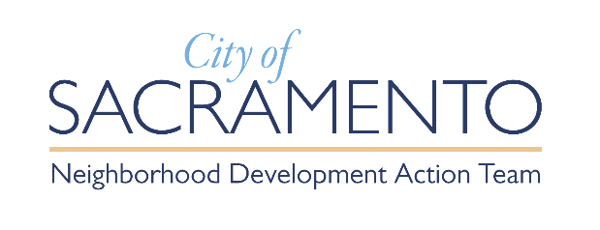 |  | Budget Form - Project Support Action Grant
a. | Organization Legal Name:
b. | Requested Grant Period From: | (MM/DD/YYYY) |  |  | Through |  | (MM/DD/YYYY)
C. | Total Requested Funds: | $0.00

 |  | Forward Together Amount Request |  |  | Other Funding Sources Contributing to the Project
S/N | Proposed Activity Costs | Partner NAME | Partner NAME | Total | Amount | Notes
1 | Salaries and Benefits |  | $0.00 | $0.00 | $0.00
2 | Supplies |  | $0.00 | $0.00 | $0.00
3 | Non-Professional Services |  | $0.00 | $0.00 | $0.00
4 | Professional Services |  | $0.00 | $0.00 | $0.00
5 | Events |  | $0.00 | $0.00 | $0.00
 | Equipment/Fixed Assets |  | $0.00 |  | $0.00
6 | Sub-Awards to Partners |  | $0.00 | $0.00 | $0.00
7 | Partner 1 |  | $0.00 | $0.00 | $0.00
 | Evaluation |  | $0.00 |  | $0.00
 | Other Direct Costs |  | $0.00 |  | $0.00
 | Indirect Costs |  | $0.00 |  | $0.00
8 |  |  | $0.00 | $0.00 | $0.00
9 |  |  | $0.00 | $0.00 | $0.00
Total |  |  |  | $0.00

All costs of any activities must be reasonable. No applicant shall claim any indirect cost recovery in excess of 10% of the direct program costs (unless the grantee has negotiated a higher indirect cost rate with the federal government). Do not include anything in the grey highlighted cells.

